Sheet1
AETF Umpire Course - Maribor 7-9 february 2026 - Accommodation / Course fee Application form
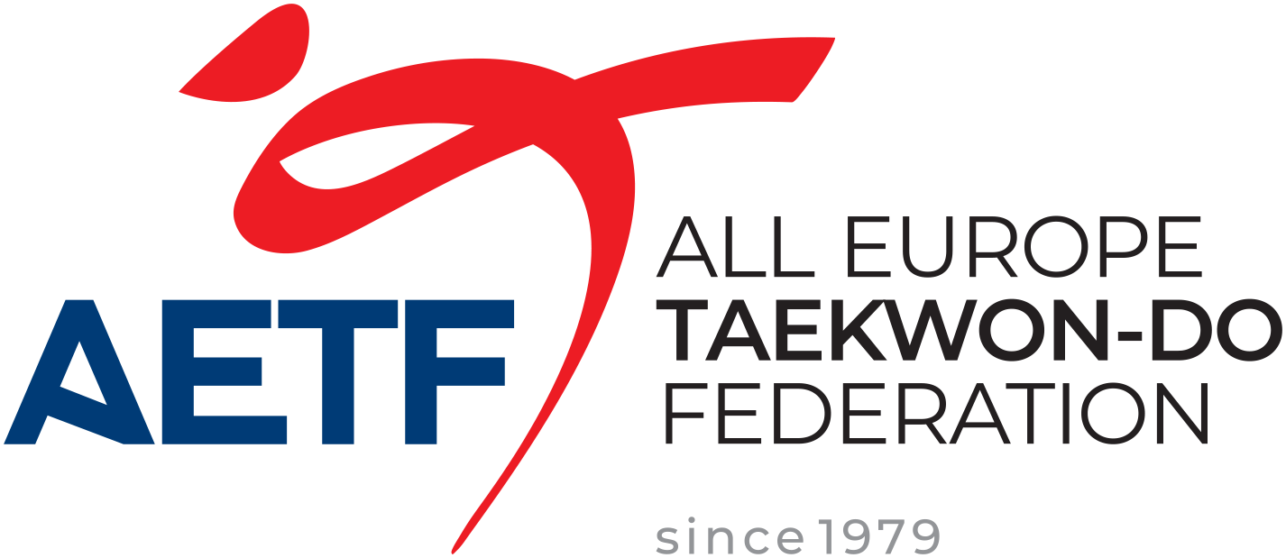

COUNTRY:
FEDERATION:
RESPONSABLE:
MAIL:
 |  |  |  |  |  |  |  |  |  |  | A | B
 |  |  |  | total | single room € 100 per night | twin room € 150 per night per room |  | triple room € 225 per night per room |  |  | room | Course fee
 | day |  | day | nights | name surname | name surname | name surname | name surname | name surname | name surname | total price | total price
arrival | 6 | departure | 9 | 3 |  | choi | choi |  |  |  | 450.00 € | 240.00 €
arrival | 6 | departure | 9 | 3 |  |  |  |  |  |  |  | 0.00 €
arrival |  | departure |  | 0 |  |  |  |  |  |  |  | 0.00 €
arrival |  | departure |  | 0 |  |  |  |  |  |  |  | 0.00 €
arrival |  | departure |  | 0 |  |  |  |  |  |  |  | 0.00 €
arrival |  | departure |  | 0 |  |  |  |  |  |  |  | 0.00 €
arrival |  | departure |  | 0 |  |  |  |  |  |  |  | 0.00 €
 |  |  |  |  |  |  |  |  |  | sub totals € | 0.00 € | 0.00 €
Accommodation prices including full board (breakfast / light lunch / dinner - starting with dinner at arrival until lunch at departure |  |  |  |  |  |  |  |  |  | totals A+B | 0.00 €
Prices as listed € 75 in twin/double per person per day - € 100 in single per person per day
Course fee € 120 per candidate

Send the Application form and copy of payment on or before December 1st, 2025 to :
info@itfeurope.org
trgovina@barada.si

Accommodation / Course fee payment to:
KBV BARADA SPORT HWARANG
Perhavčeva 20, Maribor
DŠ: 31239293
MŠ: 5457505000
OTP banka d.d.
Slovenska cesta 58, 1000 Ljubljana, Slovenija
Bank Account: SI56 0400 0027 8809 369
SWIFT (BIC): KBMASI2X

